Sheet1
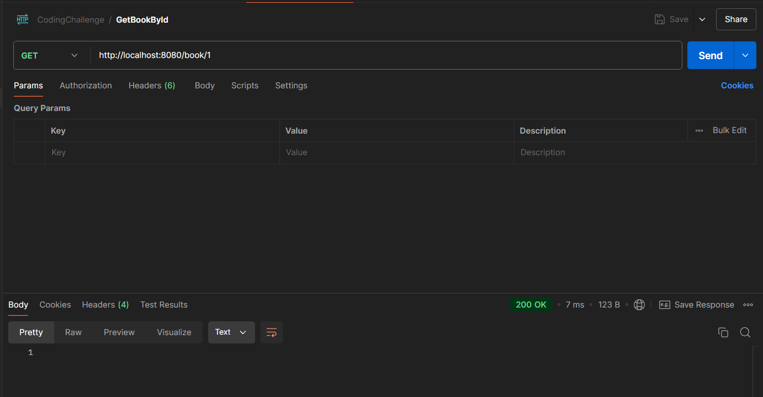
Evitance For PostMan CheckCase:

1. Creating a new Book with valid data.

 |  | Method : | POST
 |  | URL : | http://localhost:8080/
 |  | Data Body :
 |  |  | "bookName": "Data Science from Scratch",
 |  |  | "authorName": "Joel Grus",
 |  |  | "bookPrice": 49.99,
 |  |  | "bookCategory": "Data Science"
 |  |  | },
 |  |  | {
 |  |  | "bookName": "Data Science from Scratch",
 |  |  | "authorName": "Joel Grus",
 |  |  | "bookPrice": 49.99,
 |  |  | "bookCategory": "Data Science"
 |  |  | },
 |  |  | {
 |  |  | "bookName": "Effective Java",
 |  |  | "authorName": "Joshua Bloch",
 |  |  | "bookPrice": 45.00,
 |  |  | "bookCategory": "Programming"
 |  |  | },
 |  |  | {
 |  |  | "bookName": "Architecting the Cloud",
 |  |  | "authorName": "Michael J. Kavis",
 |  |  | "bookPrice": 29.99,
 |  |  | "bookCategory": "Cloud Computing"
 |  |  | },
 |  |  | {
 |  |  | "bookName": "Hands-On Machine Learning with Scikit-Learn, Keras, and TensorFlow",
 |  |  | "authorName": "Aurélien Géron",
 |  |  | "bookPrice": 59.99,
 |  |  | "bookCategory": "Machine Learning"
 |  |  | },
 |  |  | {
 |  |  | "bookName": "The Cybersecurity Playbook",
 |  |  | "authorName": "Allison Cerra",
 |  |  | "bookPrice": 39.99,
 |  |  | "bookCategory": "Cybersecurity"
 |  |  | }
 |  |  | ]
 |  | Output :
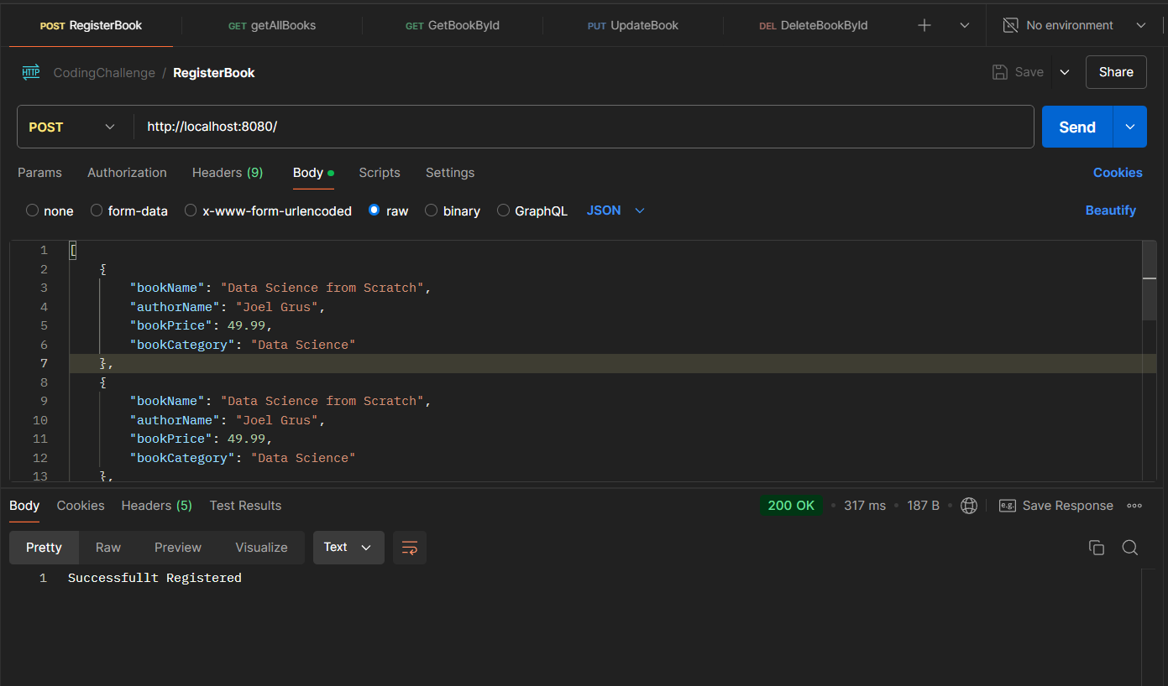

 |  | H2Database Data:
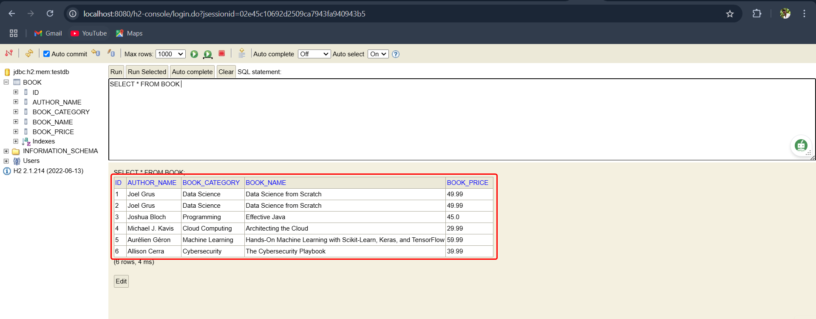

2. Retrieving all Books when no products exist.

 | Method : | GET
 | URL : | http://localhost:8080/books
 | Output :
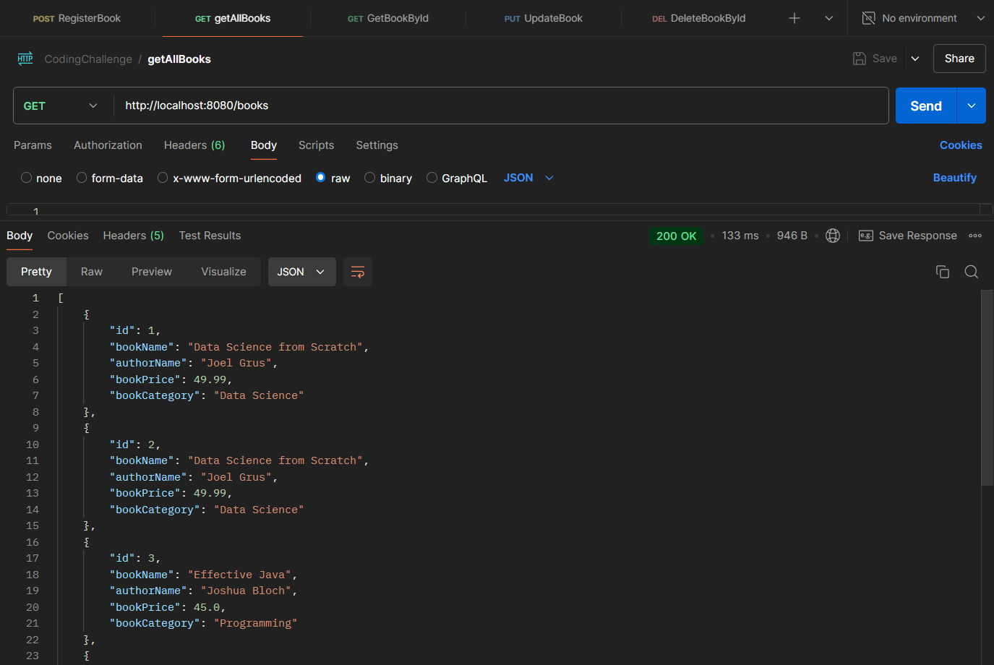
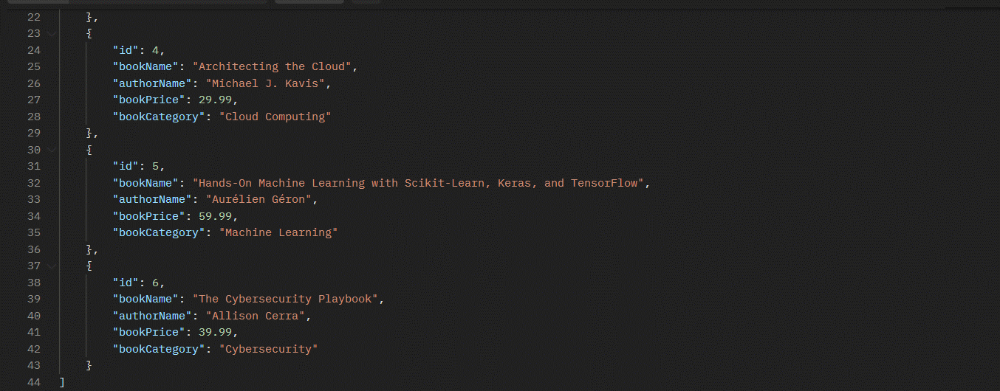

 | H2Database Data:

3. Updating an existing Book with valid data.

 | Method : | PUT
 | URL : | http://localhost:8080/books/1

 | Body Data:
 |  | {
 |  | "id": 1,
 |  | "bookName": "Data Science",
 |  | "authorName": "Amit Kumar Tyagi",
 |  | "bookPrice": 12212.25,
 |  | "bookCategory": "Data Science"
 |  | }

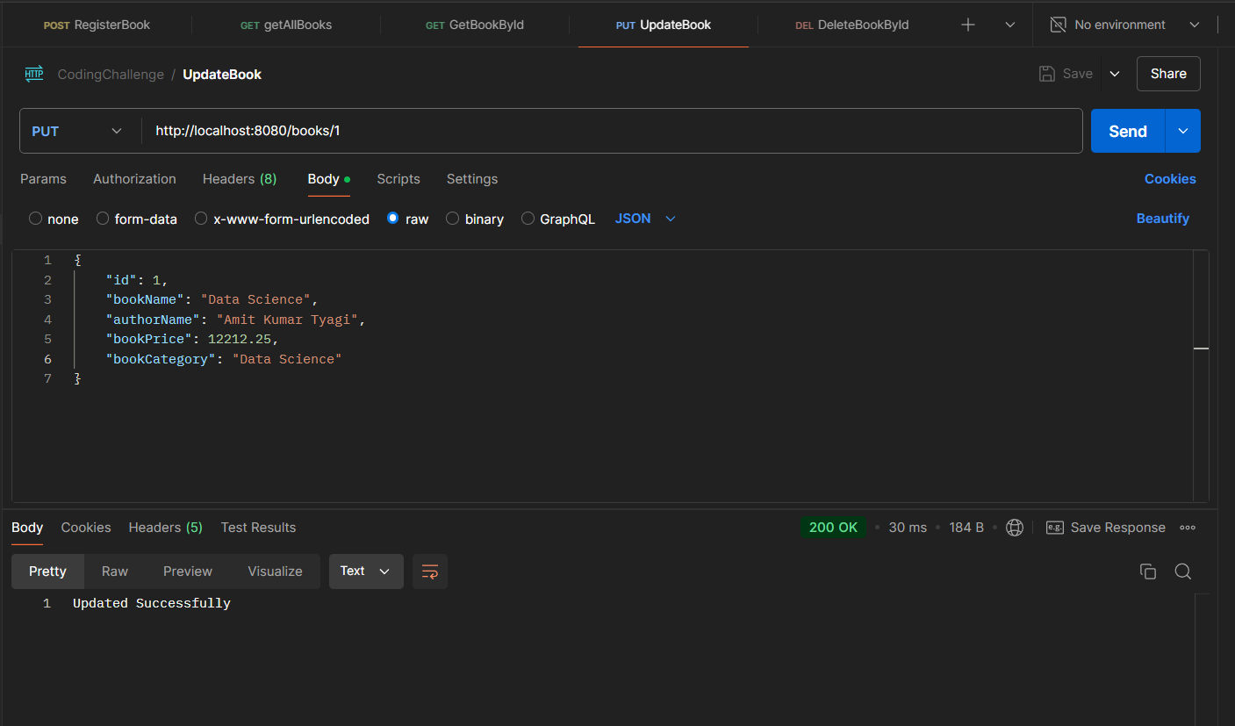
 | Output :
 | }

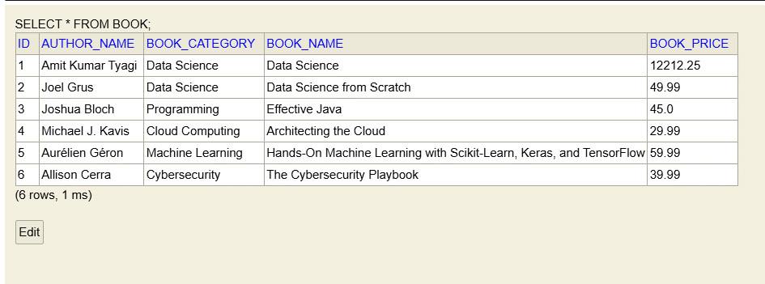
 | H2Database Data:

Chack Changed Data Via Postman API
 | Method : | GET
 | URL : | http://localhost:8080/book/1
 | Output :
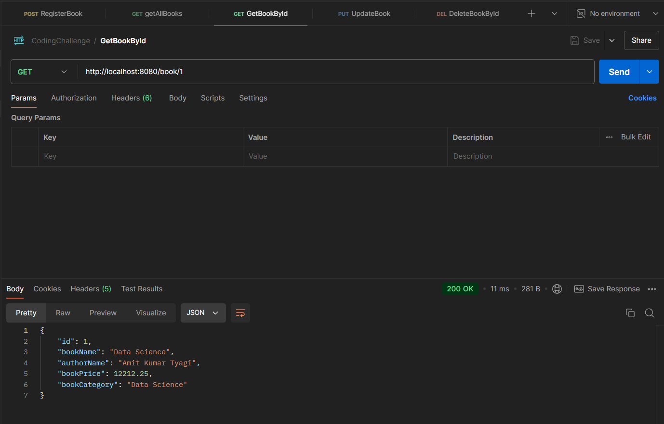

4. Deleting an Book details and ensuring it no longer exists.

 | Method : | DELETE
 | URL : | http://localhost:8080/book/1

 | Before H2Database Data:

 | Output:
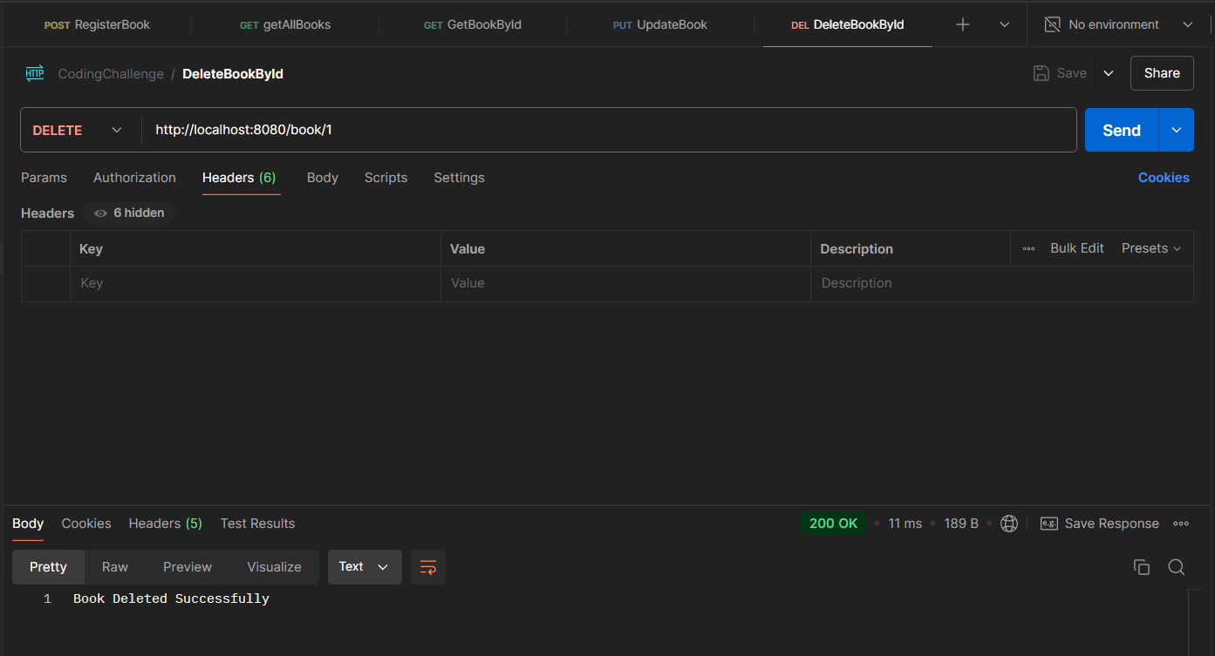

 | After H2Database Data:

Chack Changed Data Via Postman API
 | Method : | GET
 | URL : | http://localhost:8080/book/1
 | Output :

